Bug Report
Category | Label | Value
Bug ID | ID number | #4
 | Name | Drop-dow filter
 | Reporter | Katarina Todorovic
 | Submit Date | 2020-09-25
Bug overview | Summary | Drop-dow filter doesn't work
 | URL | http://automationpractice.com/index.php?id_category=8&controller=category
 | Screenshot | 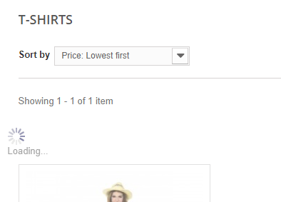
Environment | Platform | Java
 | Operating System | Windows 8.1 Pro x 64
 | Browser | 85.0.4183.121
Bug details | Steps to reproduce | 1. Open browser (Opera) 2. Go to: http://automationpractice.com/index.php?id_category=8&controller=category 3. Select Lowest first filter
 | Expected result | Items are filtered
 | Actual result | When user try to filter items based on any category from drop-down list,filtering doesn't happens and look like loading but nothing is loaded
 | Description
Bug tracking | Severity | Low

 | Priority | Medium
Notes | Notes | /

